KKO
KAJIAN KELAYAKAN OPERASI

DAYA LAMA |  |  |  | DAYA BARU
Nama Pelanggan | : | SMK ASTRA MITRA |  | Nama Pelanggan | : | SMK ASTRA MITRA
Daya Lama (VA) | : | 0 |  | Daya Baru (VA) | : | 23000
Jumlah Fasa | : | 1 | * | Jumlah Fasa | : | 3
Tegangan Sekunder Pengukuran rata-rata (Fasa-Netral) (V) | : | 220 | * | Tegangan Sekunder Pengukuran rata-rata (Fasa-Netral) (V) | : | 380
Beban Pelanggan (A) | : | 0.00 |  | Beban Pelanggan (A) | : | 34.94

SUPLAI TRAFO EKSISTING |  |  |  | SUPLAI TRAFO RENCANA
Nomor Tiang | : |  |  | Nomor Tiang | : | K2-603/12
Penyulang | : |  |  | Penyulang | : | PWI09
Daya | : |  | * | Daya | : | 50
Jumlah Fasa | : |  | * | Jumlah Fasa | : | 1
Beban TRAFO (Pengukuran Lapangan) |  | 0 |  | Beban TRAFO | : | 34.94
Beban Primer | : | 0.00 | * | Beban Primer | : | 4.33
Beban Sekunder | : | 0.00 | * | Beban Sekunder | : | 227.90
Beban (A) | : | 0.00 |  | Beban (A) | : | 0.23
Prosentase Pembebanan | : | #DIV/0! |  | Beban (A) | : | 15%
 | 15% | 100%
Prosentase Pembebanan | : | 100% |  | Beban (A) | : | 100%

DATA





DATA
Tahun | : | 2023
Discount Rate | : | 12%
Transfer price TM | : | 1,084 |  | Marginal COST maret 2022
Umur ekonomis (tahun) | : | 25.00
Selisih Susut Teknis | : | 2.25%
∑ Daya | : | 23
BP (Rp) | : | 22,287,000
RAB (Rp) | : | 60,764,327
Biaya O&M (2% invest) | : | 1,215,286.54

Nama Pelanggan | : | SMK ASTRA MITRA | *
Golongan Pelanggan | : | S2 | *
Jenis Layanan | : | REGULER | *
Daya Lama (kVA) | : | - | *
Daya Baru (kVA) | : | 23.00 | *
Tarif WBP (Rp/kWh) | : | 900.00 | *
Tarif LWBP (Rp/kWh) | : | 900.00 | *
BP (Rp/VA) TR | : | 969 | *
Jam Nyala | : | 40 | *

RAB
 |  | PT. PLN ( PERSERO )
 |  | UNIT INDUK DISTRIBUSI JAWA TENGAH & DI YOGYAKARTA |  |  |  |  |  |  |  |  |  |  | RAB TOTAL
 |  | UP3 DEMAK |  |  |  |  |  |  |  |  |  | RAB TOTAL | RAB NON MDU
 | RENCANA ANGGARAN BIAYA (RAB)

 |  |  |  | Pekerjaan | : | SMK ASTRA MITRA
 |  |  |  | Lokasi | : | Krajan Ds Getasrejo
 |  |  |  | Pelaksana | : | PT. PLN (PERSERO) UP3 DEMAK
 |  |  |  | Anggaran | : | SAR 2023

Note !! 1. Saat Pengisian Uraian di mohon memasukan nama material sesuai dengan nama material di harga satuan
2. Mohon di cek kembali saat pengisian volume material
3. Untuk program Sarana Penunjang Fungsi tidak perlu SLO.
 | NO | URAIAN | GOL | SAT | VOL | HARGA SATUAN | BIAYA YANG DIPERLUKAN ( Rp )
 |  |  |  |  |  |  | MDU | HARDWARE | JASA | JUMLAH

 |  |  |  |  |  | 0 | 0 | 0 | 0 | 0
#REF! | I | PEMASANGAN TIANG |  |  |  | 0 | 0 | 0 | 0 | 0
 | 1 | Tiang Beton 9M-200 daN+E | HDW | Btg | 4 | 3,382,600 | 0 | 13,530,400 | 0 | 13,530,400
 | 2 | Penomoran Tiang | JASA | Btg | 4 | 10,067 | 0 | 0 | 40,267 | 40,267
 | II | PEMASANGAN KONSTRUKSI |  |  |  | 0 | 0 | 0 | 0 | 0 | #REF!
 | + | CJ6-T |  | Unit | 4 | 0 | 0 | 0 | 0 | 0 | #REF!
 | 1 | Dead End Assembly | HDW | Bh | 4 | 78,500 | 0 | 314,000 | 0 | 314,000
 | 2 | Plastic Strap for Clamping | HDW | Bh | 4 | 4,212 | 0 | 16,848 | 0 | 16,848
 | 3 | Stainless Steel Strap 20 x 0.7 mm | HDW | Mtr | 4 | 23,310 | 0 | 93,240 | 0 | 93,240
 | 4 | Stopping Buckle / Yokes | HDW | Bh | 4 | 2,300 | 0 | 9,200 | 0 | 9,200
 | 5 | Upah Pasang Konst. JTR J6-T | JASA | Unit | 4 | 35,700 | 0 | 0 | 142,800 | 142,800
 |  |  |  |  |  | 0 | 0 | 0 | 0 | 0
 | + | CJ5-T |  | Unit | 11 | 0 | 0 | 0 | 0 | 0
 | 1 | Plastic Strap for Clamping | HDW | Bh | 11 | 4,212 | 0 | 46,332 | 0 | 46,332
 | 2 | Stainless Steel Strap 20 x 0.7 mm | HDW | Mtr | 11 | 23,310 | 0 | 256,410 | 0 | 256,410
 | 3 | Stopping Buckle / Yokes | HDW | Bh | 11 | 2,300 | 0 | 25,300 | 0 | 25,300
 | 4 | Suspension / Small Angle Assembly | HDW | Bh | 11 | 71,000 | 0 | 781,000 | 0 | 781,000
 | 5 | Upah Pasang Konst. JTR J5-T | JASA | Unit | 11 | 29,400 | 0 | 0 | 323,400 | 323,400
 |  |  |  |  |  | 0 | 0 | 0 | 0 | 0
 | + | CM2-12 |  | Unit | 4 | 0 | 0 | 0 | 0 | 0
 | 1 | Bimetalic Connector 35 - 240 mm² | HDW | Bh | 4 | 47,459 | 0 | 189,836 | 0 | 189,836
 | 2 | Ground wire Cu 16 mm² | HDW | Mtr | 3.2 | 30,000 | 0 | 96,000 | 0 | 96,000
 | 3 | Ground rod & Washer | HDW | Bh | 4 | 9,500 | 0 | 38,000 | 0 | 38,000
 | 4 | Upah Pasang Acc.Jar M2-12 | JASA | Unit | 4 | 16,200 | 0 | 0 | 64,800 | 64,800
 |  |  |  |  |  | 0 | 0 | 0 | 0 | 0
 | + | CE1-2 |  | Unit | 1 | 0 | 0 | 0 | 0 | 0
 | 1 | Bolt Machine ⅝" x 10" | HDW | Bh | 1 | 26,500 | 0 | 26,500 | 0 | 26,500
 | 2 | Guy Attachment / Guy hok | HDW | Bh | 1 | 12,500 | 0 | 12,500 | 0 | 12,500
 | 3 | Guy Wire 35 mm² | HDW | Mtr | 12 | 24,300 | 0 | 291,600 | 0 | 291,600
 | 4 | Three Bolt Clamp | HDW | Bh | 2 | 40,000 | 0 | 80,000 | 0 | 80,000
 | 5 | Washer Square 2 ¼" | HDW | Bh | 1 | 2,500 | 0 | 2,500 | 0 | 2,500
 | 6 | Upah Pasang Acc.Jar E1-2 | JASA | Unit | 1 | 43,500 | 0 | 0 | 43,500 | 43,500
 |  |  |  |  |  | 0 | 0 | 0 | 0 | 0
 | + | F1-2 |  | Unit | 1 | 0 | 0 | 0 | 0 | 0
 | 1 | Rod Anchor ⅝" x 7' | HDW | Bh | 1 | 104,200 | 0 | 104,200 | 0 | 104,200
 | 2 | Expanding Anchor 8.000 lbs | HDW | Bh | 1 | 120,000 | 0 | 120,000 | 0 | 120,000
 | 4 | Kousen | HDW | Bh | 1 | 4,500 | 0 | 4,500 | 0 | 4,500
 | 3 | Upah Pasang Acc.Jar F1-2 | JASA | Unit | 1 | 55,500 | 0 | 0 | 55,500 | 55,500
 |  |  |  |  |  | 0 | 0 | 0 | 0 | 0
 | + | CM2-12A |  | Unit | 1 | 0 | 0 | 0 | 0 | 0
 | 1 | Bimetalic Connector 35 - 240 mm² | HDW | Bh | 1 | 47,459 | 0 | 47,459 | 0 | 47,459
 | 2 | Ground wire Cu 16 mm² | HDW | Mtr | 1 | 30,000 | 0 | 30,000 | 0 | 30,000
 | 3 | Ground rod & Washer | HDW | Bh | 1 | 9,500 | 0 | 9,500 | 0 | 9,500 | #REF!
 | 4 | Upah Pasang Acc.Jar M2-12A | JASA | Unit | 1 | 21,200 | 0 | 0 | 21,200 | 21,200 | #REF!
 | III | PEKERJAAN PEMASANGAN KONDUKTOR |  |  |  | 0 | 0 | 0 | 0 | 0
 | 1 | NFA2X-T 3x70+1x70 | MDU-KD | Mtr | 500 | 54,500 | 27,250,000 | 0 | 0 | 27,250,000
 | 2 | Upah Pasang Penghantar TR LVTC 3x70 + 1x50mm² | JASA | Per 50 m | 10 | 223,500 | 0 | 0 | 2,235,000 | 2,235,000
 |  |  |  |  |  | 0 | 0 | 0 | 0 | 0 | #REF!
 | IV | PEMASANGAN APP |  |  |  | 0 | 0 | 0 | 0 | 0
 | + | Daya 23.000 VA |  | Unit | 1 | 0 | 0 | 0 | 0 | 0
 | 1 | KWH Elektronik; 3P; 4W; 220/380V; 5(80) A; kls 1 (Pengukuran Langsung) | MDU-KD | Bh | 1 | 1,427,400 | 1,427,400 | 0 | 0 | 1,427,400
 | 2 | Smart Box Langsung Daya 23 kVA MCCB 35 A | MDU-KD | Unit | 1 | 3,564,900 | 3,564,900 | 0 | 0 | 3,564,900
 | 3 | Modem 3G/4G | HDW | Unit | 1 | 1,113,900 | 0 | 1,113,900 | 0 | 1,113,900
 | 4 | NFA2X 4 x 16 mm² | MDU-KD | Mtr | 40 | 13,500 | 540,000 | 0 | 0 | 540,000
 | 5 | Upah Pasang SR + APP 3 Fasa | JASA | Unit | 1 | 106,400 | 0 | 0 | 106,400 | 106,400
 |  |  |  |  |  | 0 | 0 | 0 | 0 | 0
 | + | CM2-11 |  | Unit | 1 | 0 | 0 | 0 | 0 | 0
 | 1 | Ground rod ⅝" x 8" Copper Weld | HDW | Bh | 1 | 185,200 | 0 | 185,200 | 0 | 185,200
 | 2 | Bimetalic Connector 35 - 240 mm² | HDW | Bh | 1 | 47,459 | 0 | 47,459 | 0 | 47,459
 | 3 | Ground wire Cu 16 mm² | HDW | Mtr | 1.5 | 30,000 | 0 | 45,000 | 0 | 45,000
 | 4 | Ground rod & Washer | HDW | Bh | 2 | 9,500 | 0 | 19,000 | 0 | 19,000
 | 5 | Upah Pasang Acc.Jar M2-11 | JASA | Unit | 1 | 56,400 | 0 | 0 | 56,400 | 56,400
 |  |  |  |  |  | 0 | 0 | 0 | 0 | 0
 |  | SLO |  |  |  | 0 | 0 | 0 | 0 | 0 | #REF!
 | 1 | Sertifikasi Laik Operasi | JASA | Lot | 1 | 2.5% | 819,558 | 438,397 | 77,232 | 1,335,186
 |  |  |  |  |  |  | 0 | 0 | 0 | 0

 |  | Jumlah MDU - Hardware - Jasa |  |  |  | : | 33,601,858 | 17,974,281 | 3,166,498 | 54,742,637
 |  | PPN 11% |  |  |  | : | 3,696,204 | 1,977,171 | 348,315 | 6,021,690
 |  | Jumlah Total |  |  |  | : | 37,298,062 | 19,951,452 | 3,514,813 | 60,764,327 | 201,265,205
 | Terbilang : Enam Puluh Juta Tujuh Ratus Enam Puluh Empat Ribu Tiga Ratus Dua Puluh Tujuh Rupiah

 | Harga yang dipakai adalah RAB HSS 2023

 |  |  |  |  |  |  |  | Demak, 30Agustus 2023
 |  |  |  |  |  |  |  | ASMAN PERENCANAAN

 |  |  |  |  |  |  |  | VALENTHINA EKA SABTI WONOHUSODO

GAMBAR
1 C9-200
1 CJ5-T
1 CM2-12
APP 3P 23KVA PASKA
SR 4X16 MM = 40M
1 CM2-11
 | PT. PLN (PERSERO) UP3 DEMAK

1 S9-200
3 CJ6-T
2 CJ6-T
60 M
60 M
60 M
1 C9-200
1 CJ6-T
1 CM2-12
1 CE1-2
1 F1-2
1 CM2-12A
-7.068542, 110.925198 | Keterangan Gambar :
 | No | Nama Material |  |  | Baru |  | Eksisting
 | 1 | Tiang Beton
 | 2 | Tiang Besi
60 M
1 S9-200
2 CJ5-T
1 CJ5-T
 | 3 | JTM 3 Fasa
 | 4 | JTM 1 Fasa
 | 5 | JTR 1 Fasa Only / UB
1 S9-200
2 CJ5-T
1 CJ5-T
60 M
 | 6 | JTR 3 Fasa Only / UB
1 C7-200
2 CJ5-T
3 CJ5-T
1 CM2-12
1 C9-200
 | 7 | Trafo 1 Fasa
 | 8 | Trafo 3 Fasa
50 M
s
s
 | 9 | Fuse Cut Out
 | 10 | ABSW
 | 11 | Vang Net
1 C7-200
2 CJ5-T
3 CJ5-T
1 CM2-12
1 C9-200
 | 12 | Schoor
50 M
 | 13
1 C9-200
1 CJ5-T
1 CJ5-T
APP 3P 33KVA PRABAYAR
s
s
50 M
 | Bongkar Pasang Konstruksi :
 | Pasang |  |  |  | Bongkar
 | CJ6-T |  | UNIT | 4 | C7-200 |  | UNIT | 2
 | CJ5-T |  | UNIT | 11 | CJ5-T |  | UNIT | 4
 | C9-200 |  | BTG | 4
1 C12-350E
1 CJ5-T
1 CC1-A
1 CJ6-T
 | CM2-12 |  | UNIT | 4
 | SR APP 23 KVA |  | UNIT | 1
 | CE1-2 |  | UNIT | 1
 | F1-2 |  | UNIT | 1
 | CM2-12A |  | UNIT | 1
 | CM2-11 |  | UNIT | 1
 | LVTC 3X70+70 |  | MTR | 500
100 kVA
50 kVA

 | Keterangan Tambahan : https://goo.gl/maps/BBmyPAdWKc4wmTC86

 | Golongan
 | No. Gambar |  | 1 |  |  | Lembar |  | dr
 | Gambar dari |  |  |  |  | Skala
 | Perihal:
 | PB SMK ASTRA MITRA 23KVA

 | Digambar |  | Spv. Rensis
 | Diperiksa |  | Man. Perencanaan
 | Diketahui |  | Man. Perencanaan
 | Disetujui |  | Manager

1 CG 313-A
1 C12-350E
1 CC7
3 CM2-11M
1 CM2-12
1 CM2-12A
1 F1-2
1 CE1-2

RUMAH SAKIT TRIMEDIKA
35
35
JL.PURWODADI-SUKOLILO-PATI

K2-541 B
1 C12-350E
1 CC1-A
1 CM2-12
1 CJ6-T
K2-541 A
1 C12-350E
1 CC8-AN
1 CM2-12
1 F1-2
1 CE1-2
K2-541
1 C12-350E
1 CC1
1 CC7
2 CM5-5
3 Ph 160 kVA

Peta lokasi
PETA LOKASI

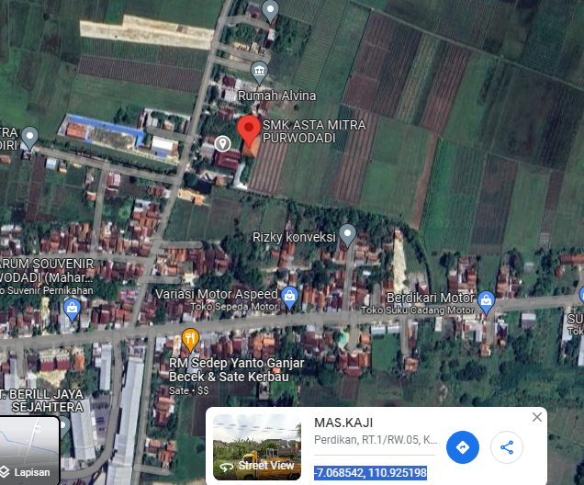

RS TRI MEDIKA KETAPANG

SLD
SINGLE LINE DIAGRAM LOKASI

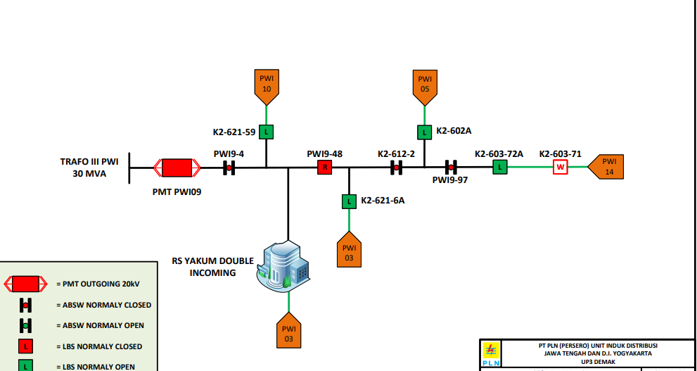

lokasi

